Series plots
It's always good to look at summary statistics of the variables (particularly their mean values) before fitting models. The mean value of MPG in is 23.4,the mean value of GallonsPer100Miles is 4.78, the mean weight of a car is about 3000 pounds, and the mean horsepower is slightly more than 100.
This is not time series data per se, but the cars are grouped by year of manufacture in ascending order, as you can see in the series plot for Year. Most of the variables show general trends in the direction of increasing fuel economy and smaller size.
Descriptive Statistics | Series plots |  |  |  |  |  |  |  | Observation # | 20.000 | 12/14/18 1:34 PM on FACDS414 - Series plots - AutoMPGdata.xlsx - RegressItPC - Version
Variable | # Fitted | Mean | Median | Std.Dev. | Root.M.Sqr. | Std.Err.Mean | Minimum | Maximum
MPG | 392 | 23.446 | 22.750 | 7.805 | 24.708 | 0.394 | 9.000 | 46.600
Displacement100ci | 392 | 1.944 | 1.510 | 1.046 | 2.207 | 0.053 | 0.680 | 4.550
GallonsPer100Miles | 392 | 4.782 | 4.396 | 1.664 | 5.063 | 0.084 | 2.146 | 11.111
Horsepower100 | 392 | 1.045 | 0.935 | 0.385 | 1.113 | 0.019 | 0.460 | 2.300
Seconds0to60 | 392 | 15.541 | 15.500 | 2.759 | 15.784 | 0.139 | 8.000 | 24.800
Weight1000lb | 392 | 2.978 | 2.803 | 0.849 | 3.096 | 0.043 | 1.613 | 5.140
Year | 392 | 75.980 | 76.000 | 3.684 | 76.069 | 0.186 | 70.000 | 82.000

Series Plots |  | Low-res picture
.

.

.

.

.

.

.

Correlation Matrix (n=392)

End of Output

MPG plots
You hope to see significant correlations between the dependent variables and some of the independent variables. (Remember that in a simple regression model, R-squared is the square of the correlation between Y and X.) Here most of the correlations are fairly large, which is not surprising because of the physical relationships among the variables. When you are looking at the correlation matrix, hit the Colors and fonts buttons on the ribbon to highlight the signs and magnitudes of the values.
The scatterplots of MPG versus the other variables reveal some highly nonlinear patterns. So, despite the very high correlations between MPG and other variables, there would be problems in fitting a linear regression with MPG as the dependent variable, notwithstanding that this is what you will find in most of the analyses of this data set on the internet.
Descriptive Statistics | MPG plots |  |  |  |  |  |  |  | Color | Font | Observation # | 20.000 | 12/14/18 1:47 PM on FACDS414 - MPG plots - AutoMPGmodel4.xlsx - RegressItPC - Version 2018.12.07

Correlation Matrix (n=392)
Variable | MPG
MPG | 1.000 | Cylinders
Cylinders | -0.778 | 1.000 | Displacement100ci
Displacement100ci | -0.805 | 0.951 | 1.000 | Horsepower100
Horsepower100 | -0.778 | 0.843 | 0.897 | 1.000 | Origin
Origin | 0.565 | -0.569 | -0.615 | -0.455 | 1.000 | Seconds0to60
Seconds0to60 | 0.423 | -0.505 | -0.544 | -0.689 | 0.213 | 1.000 | Weight1000lb
Weight1000lb | -0.832 | 0.898 | 0.933 | 0.865 | -0.585 | -0.417 | 1.000 | Year
Year | 0.581 | -0.346 | -0.370 | -0.416 | 0.182 | 0.290 | -0.309 | 1.000

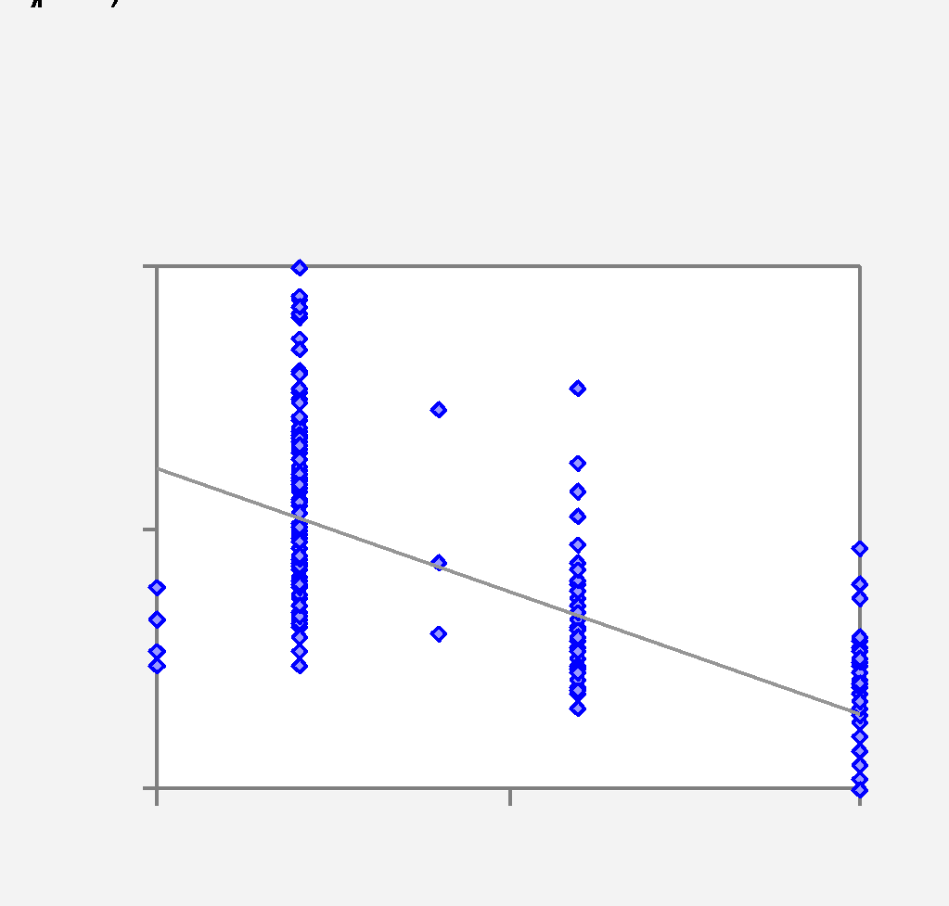
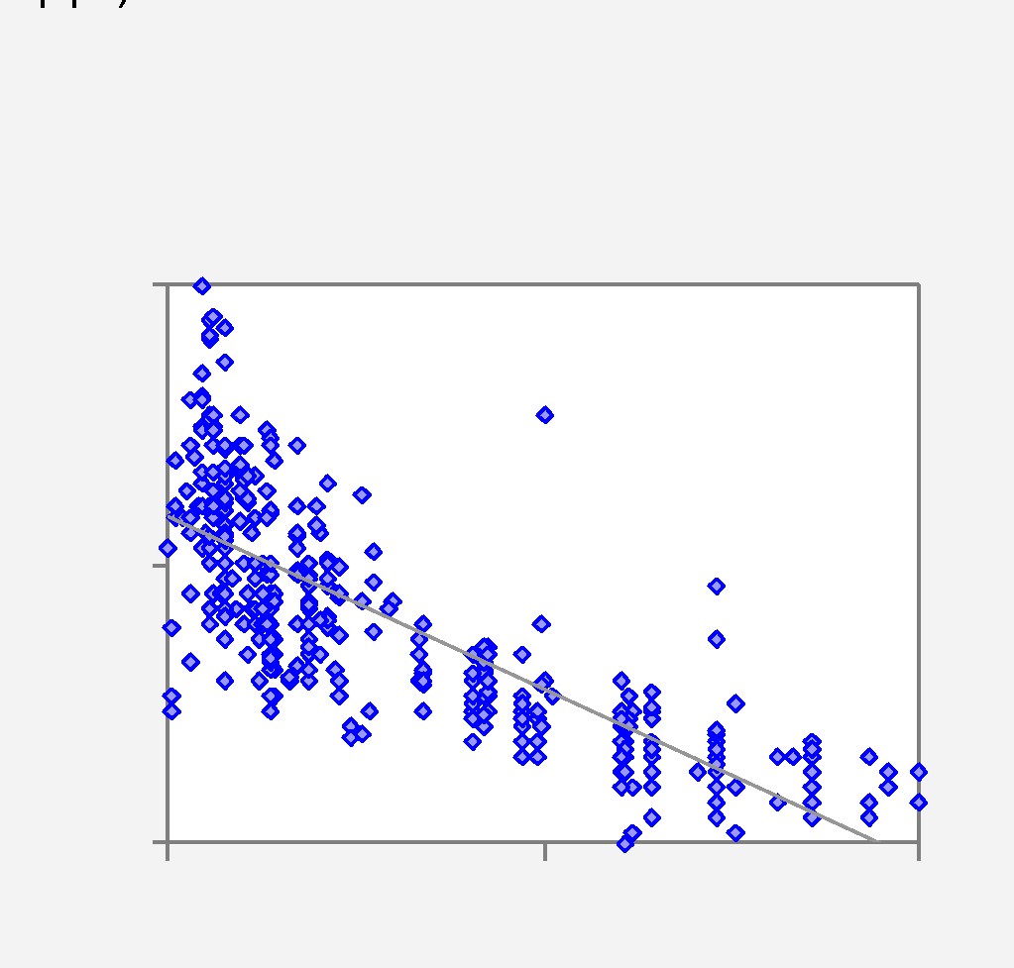
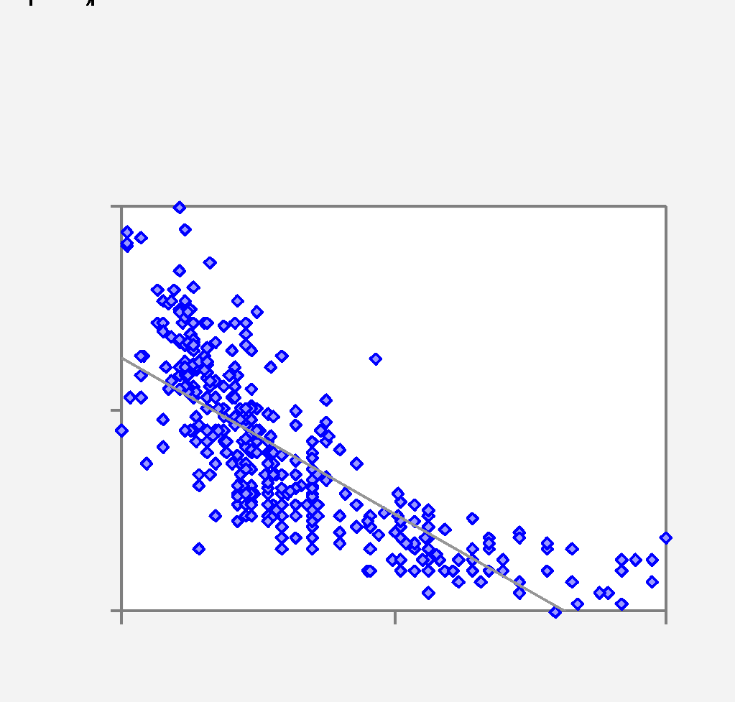
Scatterplots |  | Hi-res picture
.

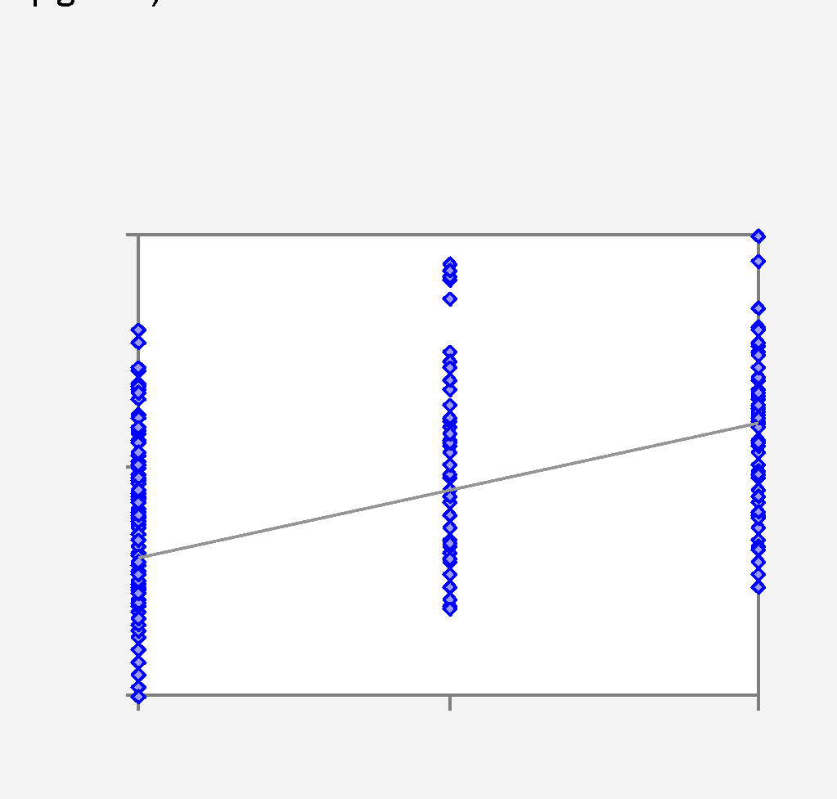
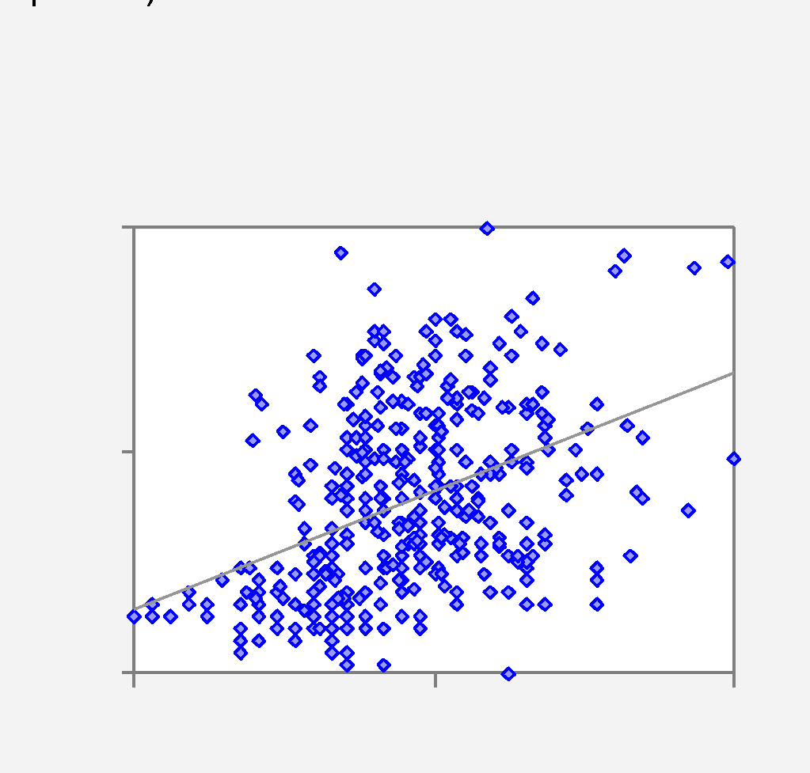
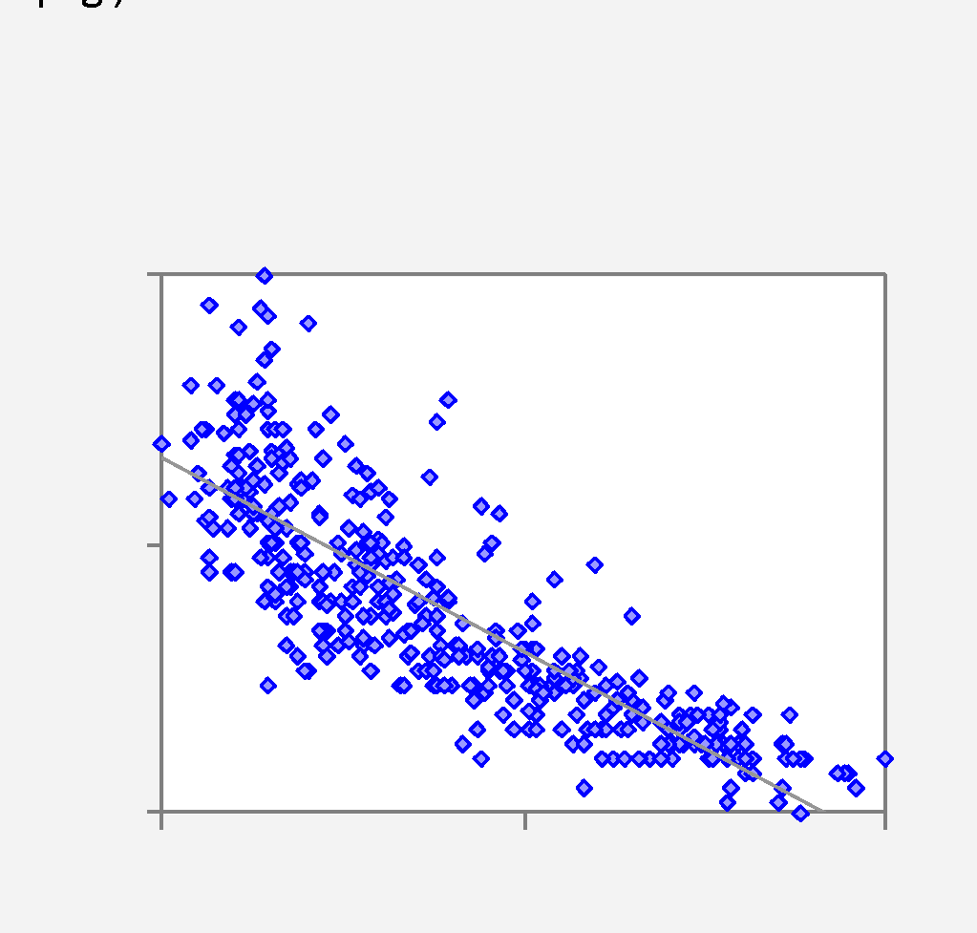
.

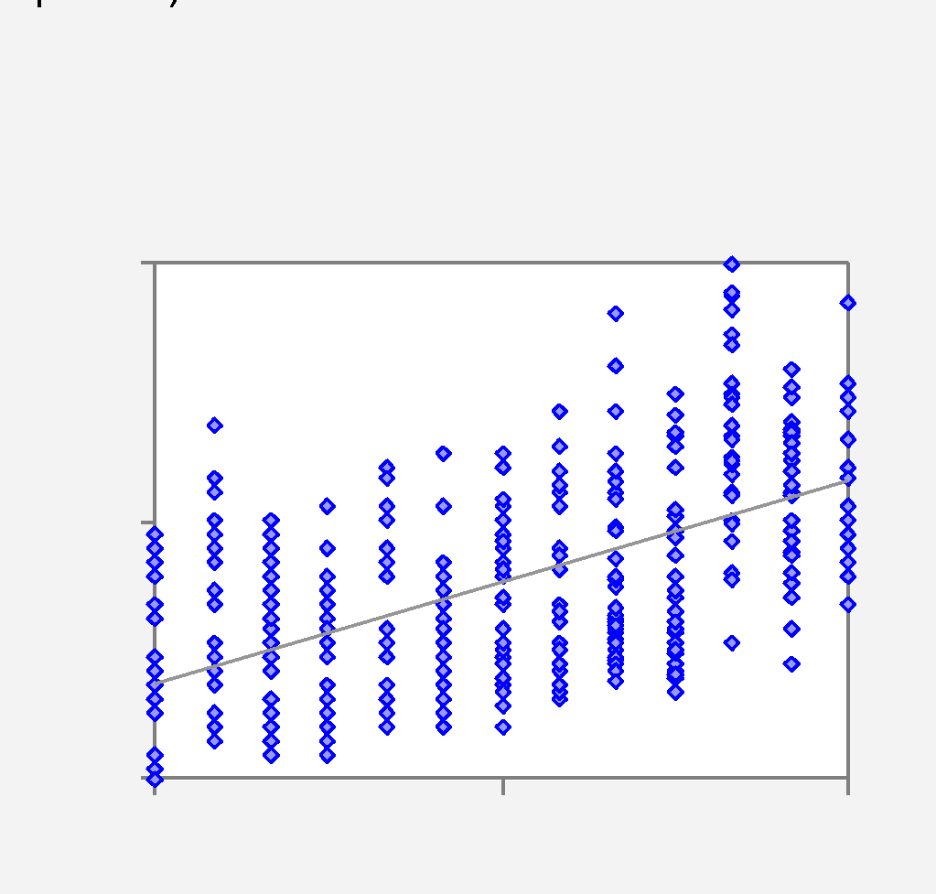
.

End of Output

GP100M plots
Descriptive Statistics | GP100M plots |  |  |  |  |  |  |  | Color | Font | Observation # | 20.000 | 12/14/18 1:37 PM on FACDS414 - GP100M plots - AutoMPGstats2.xlsx - RegressItPC - Version 2018.12.07

The scatterplots of GallonsPer100Miles versus the other variables show much more linear patterns, in line with physical reasoning. We will use it as the dependent variable in the analysis that follows.
Correlation Matrix (n=392)
Variable | GallonsPer100Miles
GallonsPer100Miles | 1.000 | Cylinders
Cylinders | 0.839 | 1.000 | Displacement100ci
Displacement100ci | 0.866 | 0.951 | 1.000 | Horsepower100
Horsepower100 | 0.855 | 0.843 | 0.897 | 1.000 | Origin
Origin | -0.533 | -0.569 | -0.615 | -0.455 | 1.000 | Seconds0to60
Seconds0to60 | -0.456 | -0.505 | -0.544 | -0.689 | 0.213 | 1.000 | Weight1000lb
Weight1000lb | 0.885 | 0.898 | 0.933 | 0.865 | -0.585 | -0.417 | 1.000 | Year
Year | -0.558 | -0.346 | -0.370 | -0.416 | 0.182 | 0.290 | -0.309 | 1.000

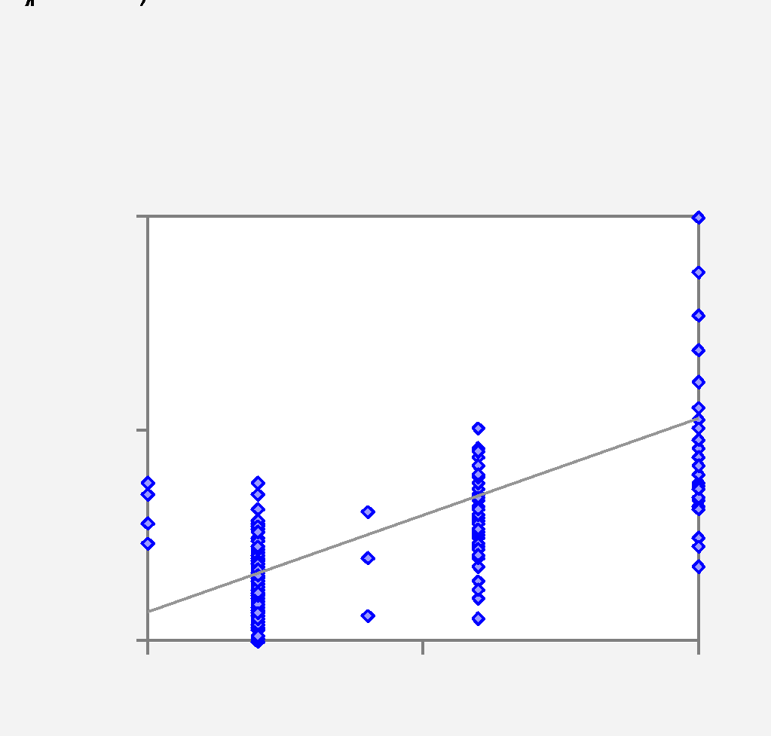
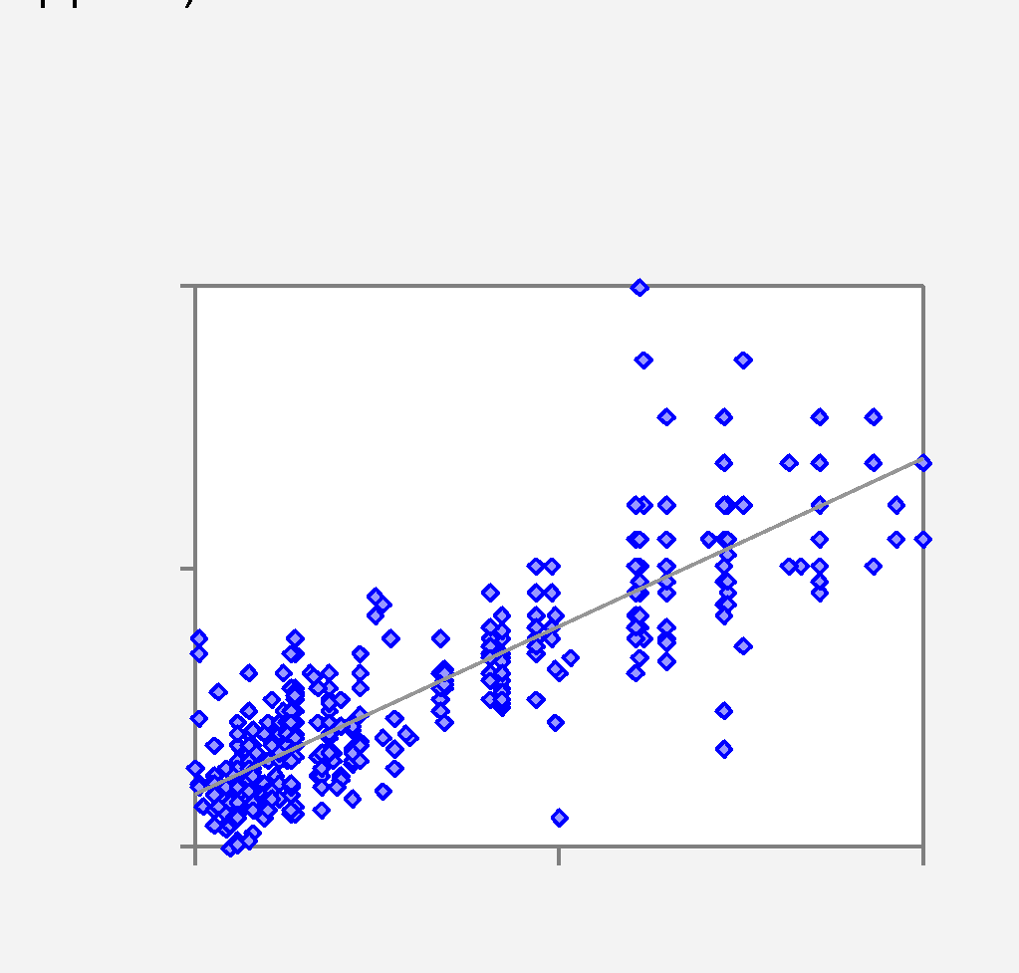
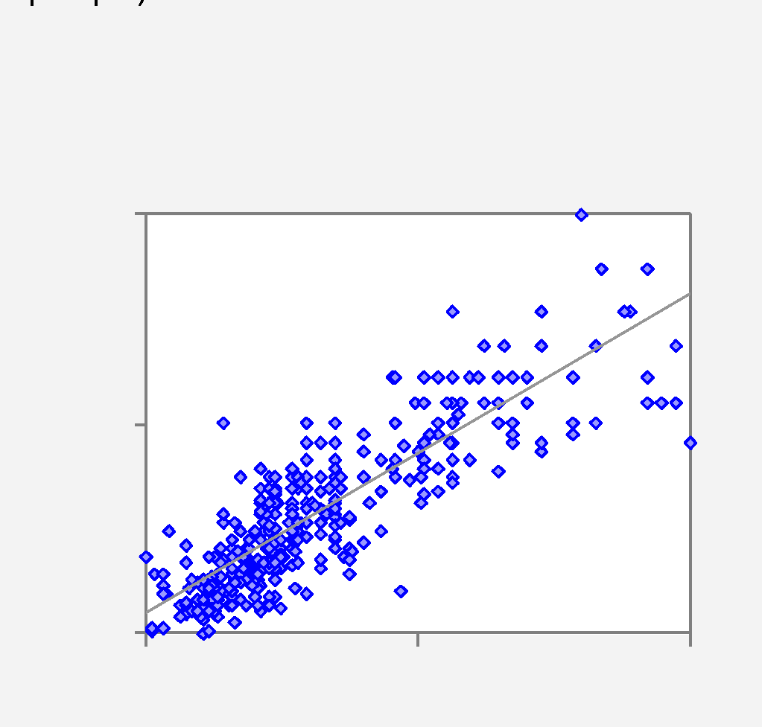
Scatterplots |  | Hi-res picture
.

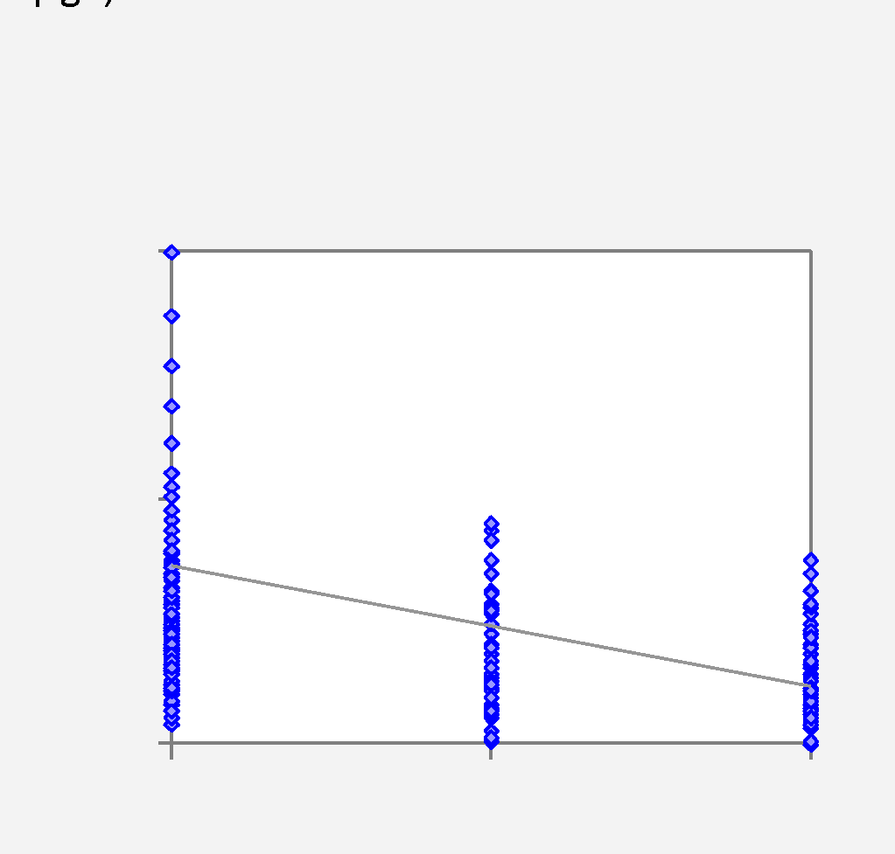
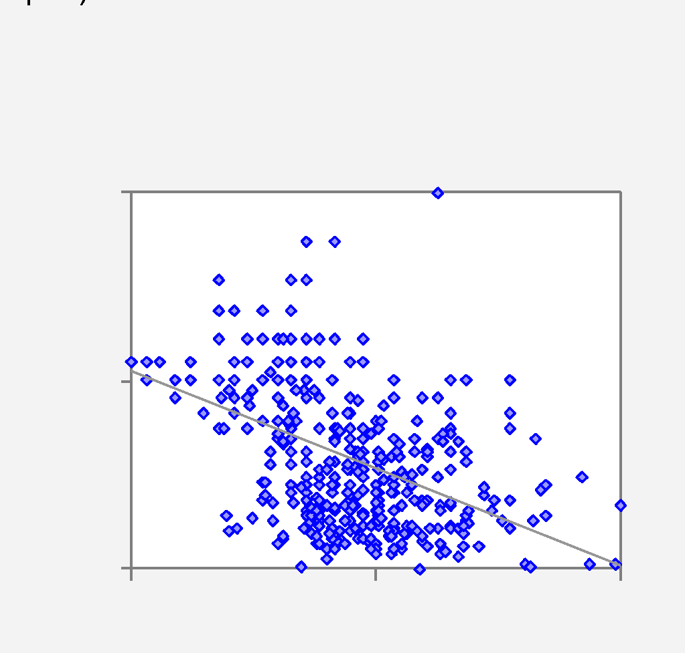
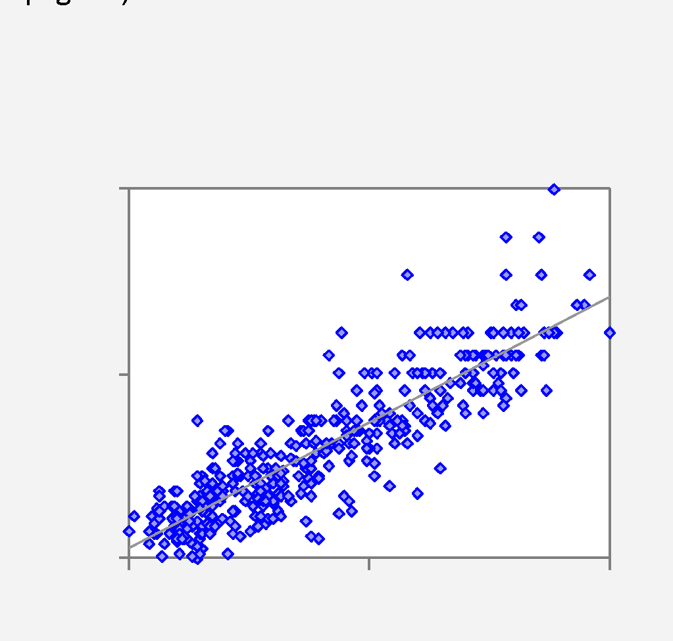
.

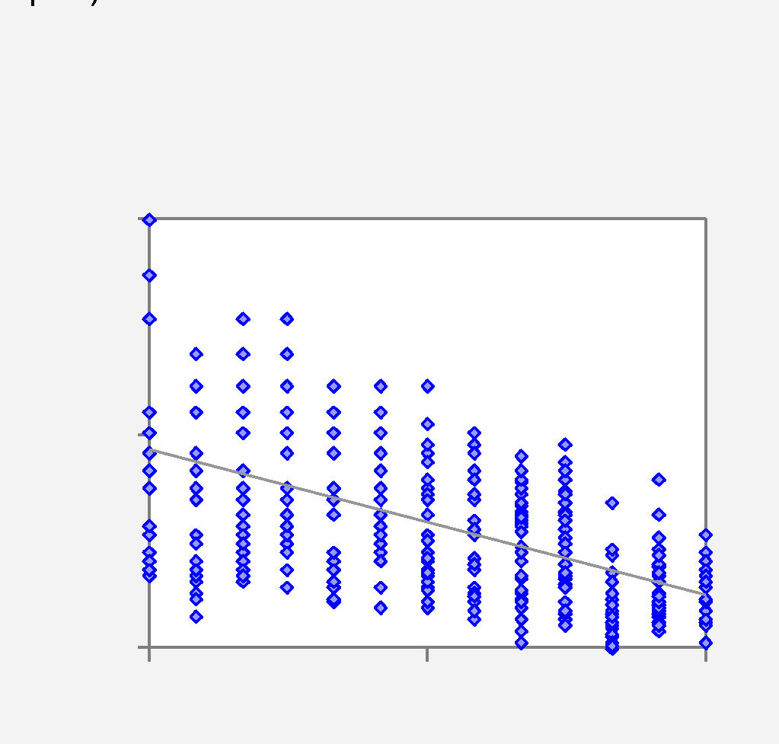
.

End of Output

Model 1
Model: | Model 1 |  |  |  |  |  |  |  |  |  | White | No Font | NoHeaders | With P-value | Editable |  |  | No Comment | Notes | 12/14/18 1:39 PM on FACDS414 - Model 1 - AutoMPGstats3.xlsx - RegressItPC - Version 2018.12.07 | 12/14/18 1:39 PM on FACDS414 - Model 1 - AutoMPGstats3.xlsx - RegressItPC - Version 2018.12.07
Dependent Variable: |  | GallonsPer100Miles |  |  |  |  |  |  |  |  |  |  |  | Model 1 (#vars=1, n=392, AdjRsq=0.783): GallonsPer100Miles << Weight1000lb | No preceding model in this sequence. | Model 1 last follower visited was Model 2 (#vars=8, n=392, AdjRsq=0.884): GallonsPer100Miles << Cylinders, Displacement100ci, Horsepower100, Origin.Eq.2, Origin.Eq.3, Seconds0to60, Weight1000lb, Year | Model 1 following model is Model 2 (#vars=8, n=392, AdjRsq=0.884): GallonsPer100Miles << Cylinders, Displacement100ci, Horsepower100, Origin.Eq.2, Origin.Eq.3, Seconds0to60, Weight1000lb, Year
 |  |  |  |  |  |  |  |  | R code: | Model.1 <- lm(GallonsPer100Miles ~ Weight1000lb, data = AutoMPG)
A simple regression of GallonsPer100Lines on Weight1000lb, the variable with which it is most highly correlated.
The editable chart option has been chosen, so the confidence limits on the line fit plot can be interactively adjusted with the Conf+ and Conf- buttons on the RegressIt menu, or by entering different values in the Confidence cell.
The residual-vs-observation# plot shows a serious problem: there is a downward time trend in the errors, suggesting an improvement in fuel efficiency over this range of years.
 | R-Squared | Adj.R-Sqr. | Std.Err.Reg. | Std.Dep.Var. | # Fitted | # Missing | t(2,50%,390) | Confidence
 | 0.783 | 0.783 | 0.776 | 1.664 | 392 | 0 | 1.966 | 95.0%

Variable | Coefficient | Std.Err. | t-Statistic | P-value | Lower95% | Upper95% | VIF | Std. Coeff.
Constant | -0.380 | 0.143 | -2.660 | 0.008 | -0.661 | -0.099 | 0.000 | 0.000
Weight1000lb | 1.734 | 0.046 | 37.549 | 0.000 | 1.643 | 1.825 | 1.000 | 0.885

 | Weight1000lb | StdErrMean | StdErrFcst | Predicted | Lower 95% | Upper 95%
 | 1.613 | 0.074 | 0.779 | 2.416 | 0.885 | 3.948
 | 2.495 | 0.045 | 0.777 | 3.945 | 2.418 | 5.472
 | 3.377 | 0.043 | 0.777 | 5.474 | 3.947 | 7.001
 | 4.258 | 0.071 | 0.779 | 7.003 | 5.472 | 8.534
 | 5.140 | 0.107 | 0.783 | 8.531 | 6.992 | 10.071

 | Mean Error | RMSE | MAE | Minimum | Maximum | MAPE | A-D* stat
Fitted (n=392) | 0.000 | 0.774 | 0.579 | -2.319 | 3.287 | 13.1% | 1.76 (P=0.000)

 |  | FALSE

End of Output

Model 2
Model: | Model 2 |  |  |  |  |  |  |  |  |  | Color | Font | NoHeaders | With P-value | Hi-res picture |  |  | No Comment | Notes | 12/14/18 1:42 PM on FACDS414 - Model 2 - AutoMPGmodel1.xlsx - RegressItPC - Version 2018.12.07 | 12/14/18 1:42 PM on FACDS414 - Model 2 - AutoMPGmodel1.xlsx - RegressItPC - Version 2018.12.07
Dependent Variable: |  | GallonsPer100Miles |  |  |  |  |  |  |  |  |  |  |  | Model 2 (#vars=8, n=392, AdjRsq=0.884): GallonsPer100Miles << Cylinders, Displacement100ci, Horsepower100, Origin.Eq.2, Origin.Eq.3, Seconds0to60, Weight1000lb, Year | Model 2 preceding model was Model 1 (#vars=1, n=392, AdjRsq=0.783): GallonsPer100Miles << Weight1000lb | Model 2 last follower visited was Model 3 (#vars=7, n=392, AdjRsq=0.883): GallonsPer100Miles << Cylinders, Horsepower100, Origin.Eq.2, Origin.Eq.3, Seconds0to60, Weight1000lb, Year | Model 2 following model is Model 3 (#vars=7, n=392, AdjRsq=0.883): GallonsPer100Miles << Cylinders, Horsepower100, Origin.Eq.2, Origin.Eq.3, Seconds0to60, Weight1000lb, Year
Settings for this analysis: GallonPer100Miles predicted from 8 other variables (including 2 of the origin dummies), standard chart output in low-resolution picture format, optional correlation matrix of coefficients and residual table. The Show-All button has been toggled to show all the output. Notice that the model equation is printed in text form in row 6 on the worksheet, which is hidden by default when the model sheet is first displayed. HIt the Colors and Fonts buttons on the ribbon to toggle the color and font coding on and off to highlight the significance of variables.
Some things to notice: The standard error of the regression has been reduced significantly, from 0.776 to 0.566 gallons per 100 miles driven, by the inclusion of the other variables. The most significant variables are Horsepower100, Weight1000lb, and Year, as measured by the size of their t-stats and also their standardized coefficients. (The standardized coefficient is the predicted number of standard deviations of change in the dependent variable per standard deviation of change in the independent variable, and it measures the variable's significance in real terms rather than hypothesis-testing terms. See the teaching note behind its label.) These results are consistent with the fact that Weight1000lb is most highly correlated with GallonPer100Miles, there is a significant overall time trend, and some measure of engine power ought to be relevant.
The other two measures of engine size are also technically significant, but the coefficient of displacement is "counterintuitively signed", which makes it hard to interpret in isolation and suggests that the model may be overly complex. Perhaps either displacement or cylinders should be removed. In fact, removal of both of them (not shown in this file) only increases the standard error of the regression from 0.566 to 0.570. It appears that weight and horsepower are the two most important physical factors that determine fuel economy.
The downward time trend in the errors that was seen in Model 1.0 has been fixed. However, the residual-vs-predicted plot shows that errors are not the same size for small and large predictions. (Theoretically they should be.) In particular there are smaller errors for the cars at the very bottom of the spectrum of predictions, those whose predictions for GallonPer100Miles are around 3 or less. There is also still a group of cars with unusually large positive errors (underpredictions). This is a very diverse group of vehicles, and evidently the same equation does not apply as well at the extremes as in the middle. Perhaps different kinds of vehicles (e.g, trucks versus cars, or different size classes) should be treated with different models. You don't necessarily have to cram all your data into one model if there are important qualitative differences among subsets.
 |  |  |  |  |  |  |  |  | R code: | Model.2 <- lm(GallonsPer100Miles ~ Cylinders + Displacement100ci + Horsepower100 + Origin.Eq.2 + Origin.Eq.3 + Seconds0to60 + Weight1000lb + Year, data = AutoMPG)
 | R-Squared | Adj.R-Sqr. | Std.Err.Reg. | Std.Dep.Var. | # Fitted | # Missing | t(2.50%,383) | Confidence
 | 0.887 | 0.884 | 0.566 | 1.664 | 392 | 0 | 1.966 | 95.0%

Variable | Coefficient | Std.Err. | t-Statistic | P-value | Lower95% | Upper95% | VIF | Std. Coeff.
Constant | 9.392 | 0.800 | 11.739 | 0.000 | 7.819 | 10.965 | 0.000 | 0.000
Cylinders | 0.150 | 0.055 | 2.734 | 0.007 | 0.042 | 0.258 | 10.738 | 0.154
Displacement100ci | -0.323 | 0.131 | -2.467 | 0.014 | -0.580 | -0.066 | 22.938 | -0.203
Horsepower100 | 1.275 | 0.235 | 5.437 | 0.000 | 0.814 | 1.736 | 9.957 | 0.295
Origin.Eq.2 | -0.296 | 0.097 | -3.053 | 0.002 | -0.486 | -0.105 | 1.649 | -0.067
Origin.Eq.3 | -0.203 | 0.095 | -2.142 | 0.033 | -0.388 | -0.017 | 1.763 | -0.049
Seconds0to60 | 0.034 | 0.017 | 2.051 | 0.041 | 0.001417 | 0.067 | 2.626 | 0.057
Weight1000lb | 1.125 | 0.112 | 10.035 | 0.000 | 0.904 | 1.345 | 11.074 | 0.574
Year | -0.131 | 0.008858 | -14.750 | 0.000 | -0.148 | -0.113 | 1.301 | -0.289

 | Mean Error | RMSE | MAE | Minimum | Maximum | MAPE | A-D* stat
Fitted (n=392) | 0.000 | 0.559 | 0.417 | -1.584 | 2.372 | 9.0% | 2.41 (P=0.000)

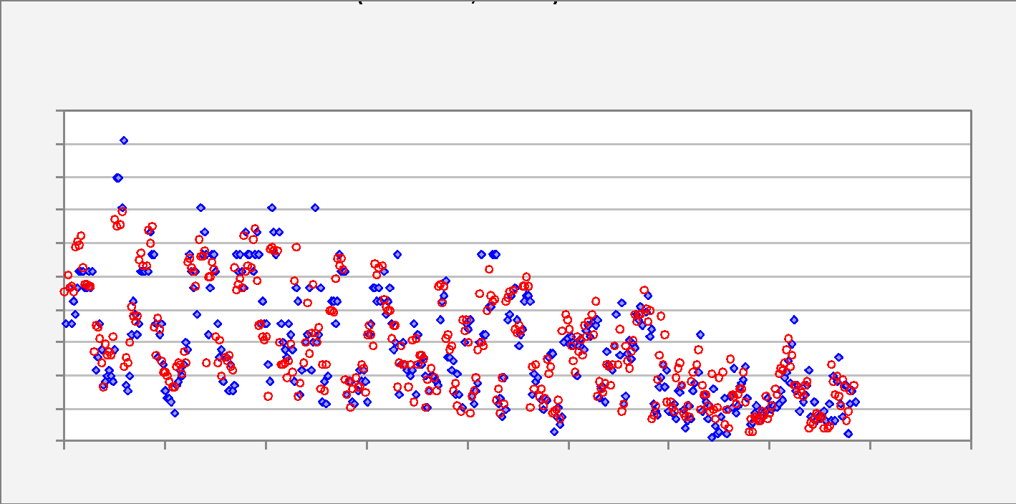

 |  | FALSE

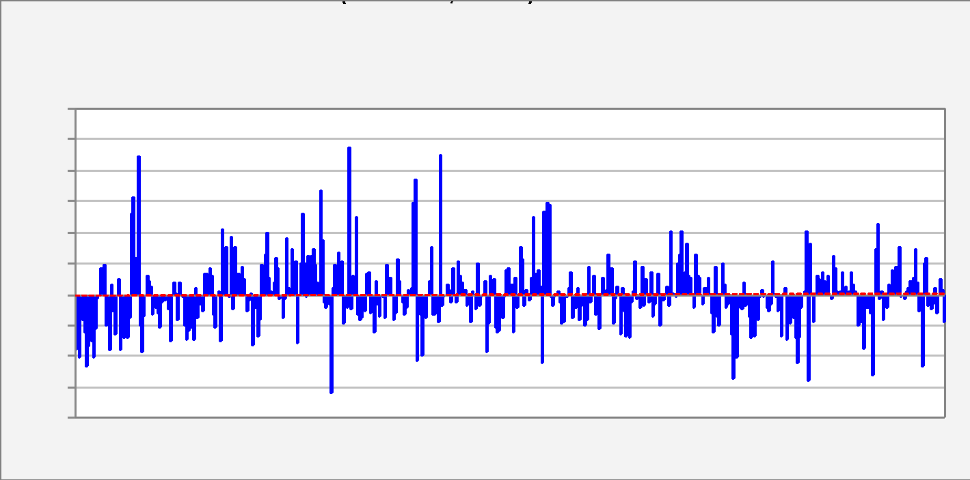

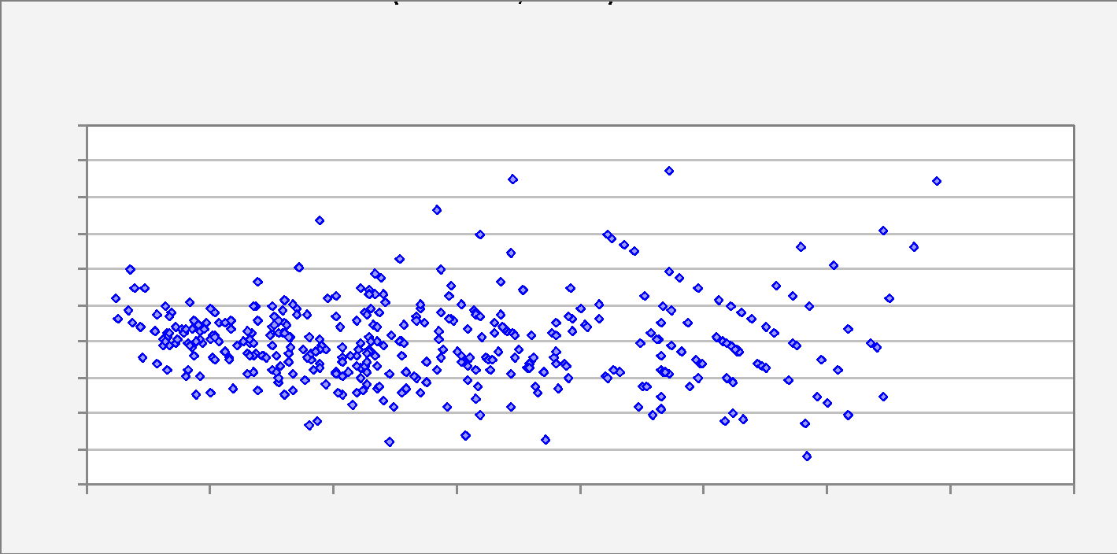

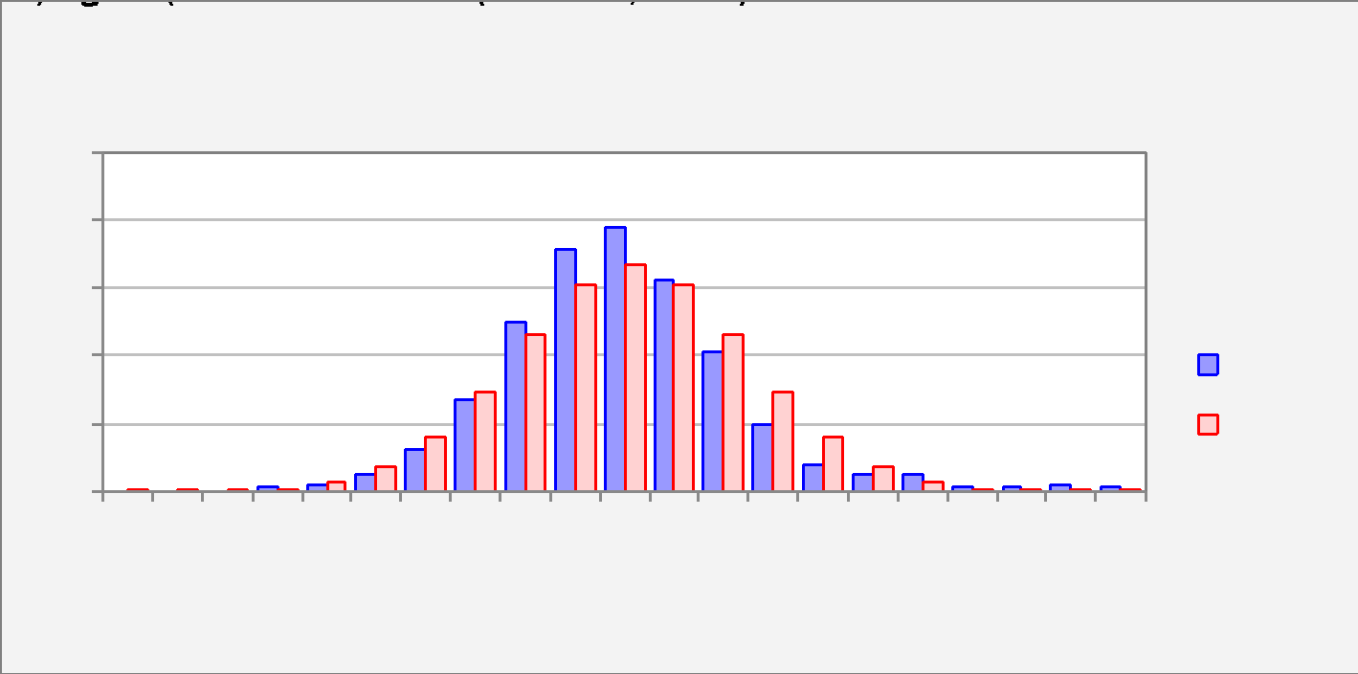

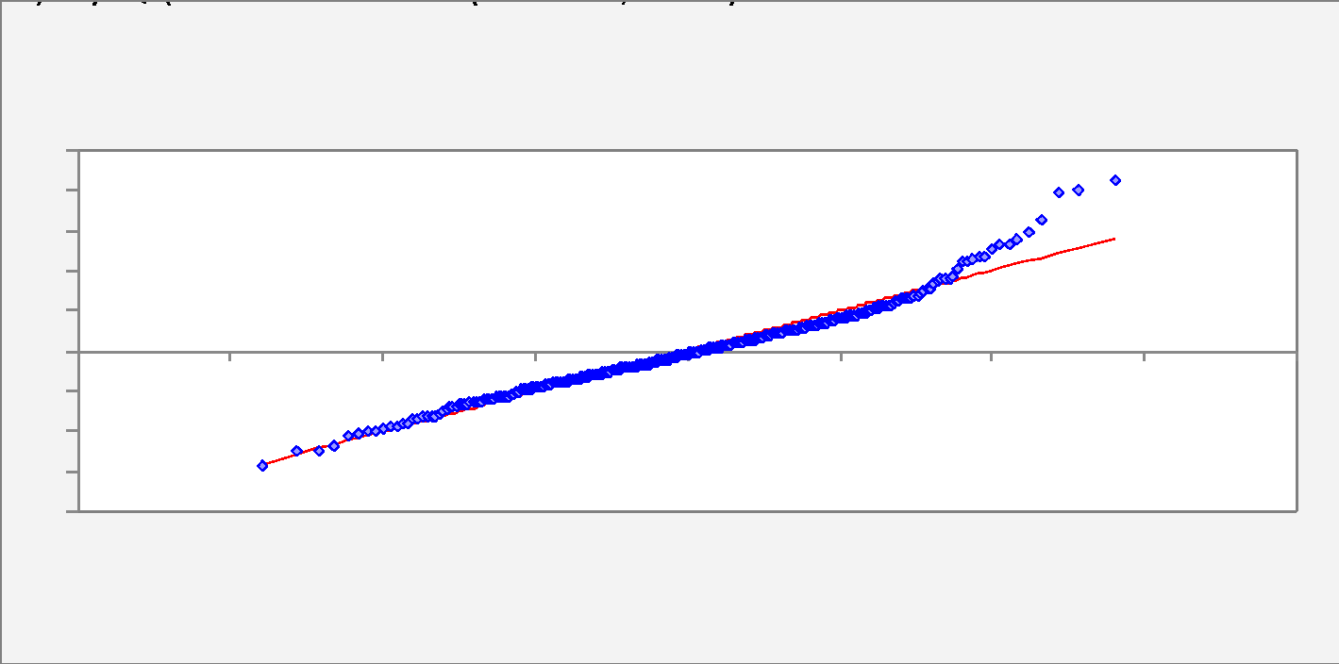

End of Output

Model 3
Here's the model that results from removal of the displacement variable. The bottom-line error measures are virtually the same.
Looking at both t-stats and standardized coefficients, it is clear that the contributions of variables other than Weight1000lb, Horsepower100, and Year are rather marginal.
Model: | Model 3 |  |  |  |  |  |  |  |  |  | Color | Font | NoHeaders | With P-value | Hi-res picture |  |  | No Comment | Notes | 12/14/18 1:43 PM on FACDS414 - Model 3 - AutoMPGmodel2.xlsx - RegressItPC - Version 2018.12.07 | 12/14/18 1:43 PM on FACDS414 - Model 3 - AutoMPGmodel2.xlsx - RegressItPC - Version 2018.12.07
Dependent Variable: |  | GallonsPer100Miles |  |  |  |  |  |  |  |  |  |  |  | Model 3 (#vars=7, n=392, AdjRsq=0.883): GallonsPer100Miles << Cylinders, Horsepower100, Origin.Eq.2, Origin.Eq.3, Seconds0to60, Weight1000lb, Year | Model 3 preceding model was Model 2 (#vars=8, n=392, AdjRsq=0.884): GallonsPer100Miles << Cylinders, Displacement100ci, Horsepower100, Origin.Eq.2, Origin.Eq.3, Seconds0to60, Weight1000lb, Year | Model 3 last follower visited was Model 4 (#vars=3, n=392, AdjRsq=0.88): GallonsPer100Miles << Horsepower100, Weight1000lb, Year | Model 3 following model is Model 4 (#vars=3, n=392, AdjRsq=0.88): GallonsPer100Miles << Horsepower100, Weight1000lb, Year
 |  |  |  |  |  |  |  |  | R code: | Model.3 <- lm(GallonsPer100Miles ~ Cylinders + Horsepower100 + Origin.Eq.2 + Origin.Eq.3 + Seconds0to60 + Weight1000lb + Year, data = AutoMPG)
 | R-Squared | Adj.R-Sqr. | Std.Err.Reg. | Std.Dep.Var. | # Fitted | # Missing | t(2.50%,384) | Confidence
 | 0.885 | 0.883 | 0.569 | 1.664 | 392 | 0 | 1.966 | 95.0%

Variable | Coefficient | Std.Err. | t-Statistic | P-value | Lower95% | Upper95% | VIF | Std. Coeff.
Constant | 9.481 | 0.805 | 11.784 | 0.000 | 7.899 | 11.062 | 0.000 | 0.000
Cylinders | 0.063 | 0.042 | 1.483 | 0.139 | -0.020 | 0.146 | 6.250 | 0.064
Horsepower100 | 1.105 | 0.226 | 4.897 | 0.000 | 0.661 | 1.548 | 9.096 | 0.256
Origin.Eq.2 | -0.214 | 0.092 | -2.335 | 0.020 | -0.394 | -0.034 | 1.456 | -0.049
Origin.Eq.3 | -0.130 | 0.091 | -1.440 | 0.151 | -0.308 | 0.048 | 1.594 | -0.031
Seconds0to60 | 0.039 | 0.017 | 2.289 | 0.023 | 0.005440 | 0.072 | 2.600 | 0.064
Weight1000lb | 1.013 | 0.103 | 9.817 | 0.000 | 0.810 | 1.216 | 9.261 | 0.517
Year | -0.128 | 0.008863 | -14.472 | 0.000 | -0.146 | -0.111 | 1.286 | -0.284

 | Mean Error | RMSE | MAE | Minimum | Maximum | MAPE | A-D* stat
Fitted (n=392) | 0.000 | 0.564 | 0.412 | -1.607 | 2.471 | 8.9% | 3.03 (P=0.000)

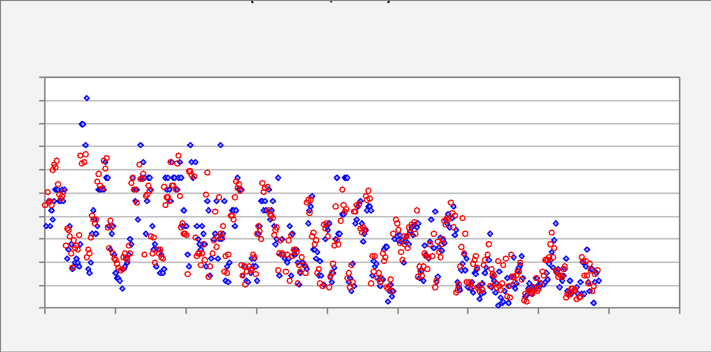

 |  | FALSE

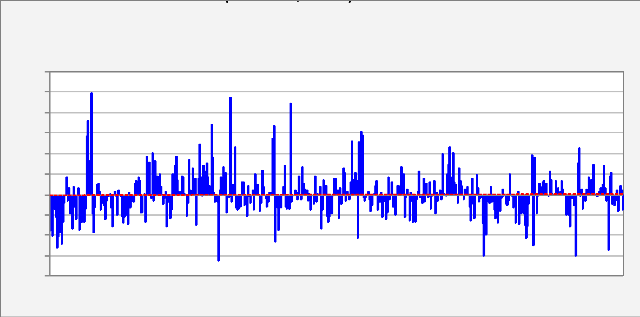

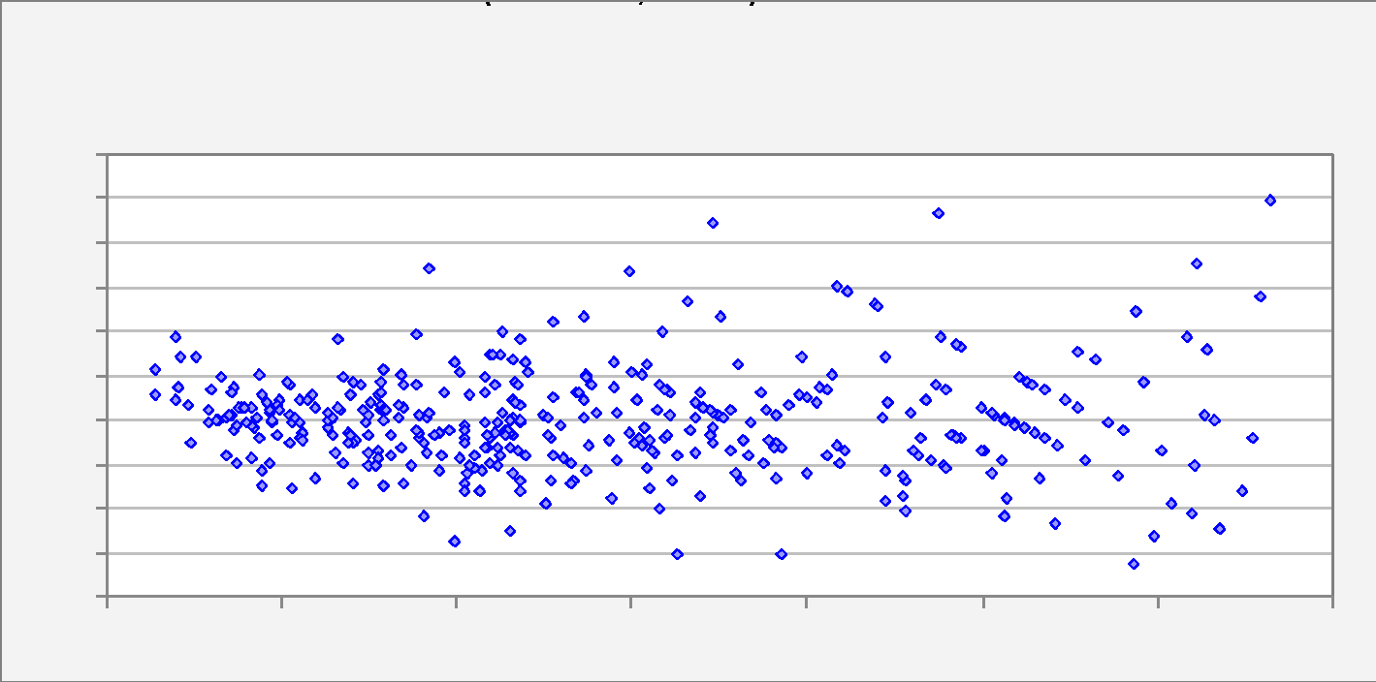

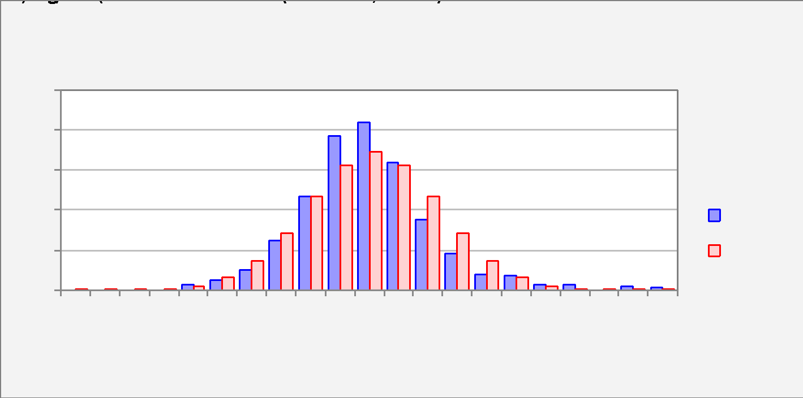

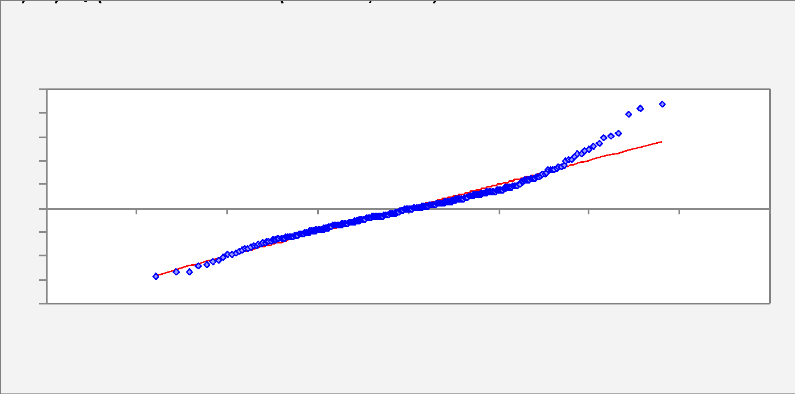

End of Output

Model 4
Model: | Model 4 |  |  |  |  |  |  |  |  |  | Color | Font | NoHeaders | With P-value | Hi-res picture |  |  | No Comment | Notes | 12/14/18 1:45 PM on FACDS414 - Model 4 - AutoMPGmodel3.xlsx - RegressItPC - Version 2018.12.07 | 12/14/18 1:45 PM on FACDS414 - Model 4 - AutoMPGmodel3.xlsx - RegressItPC - Version 2018.12.07
Dependent Variable: |  | GallonsPer100Miles |  |  |  |  |  |  |  |  |  |  |  | Model 4 (#vars=3, n=392, AdjRsq=0.88): GallonsPer100Miles << Horsepower100, Weight1000lb, Year | Model 4 preceding model was Model 3 (#vars=7, n=392, AdjRsq=0.883): GallonsPer100Miles << Cylinders, Horsepower100, Origin.Eq.2, Origin.Eq.3, Seconds0to60, Weight1000lb, Year | Model 4 last follower visited was Model 5 (#vars=3, n=362, AdjRsq=0.874): GallonsPer100MilesTo1981 << Horsepower100, Weight1000lb, Year | Model 4 following model is Model 5 (#vars=3, n=362, AdjRsq=0.874): GallonsPer100MilesTo1981 << Horsepower100, Weight1000lb, Year
 |  |  |  |  |  |  |  |  | R code: | Model.4 <- lm(GallonsPer100Miles ~ Horsepower100 + Weight1000lb + Year, data = AutoMPG)
 | R-Squared | Adj.R-Sqr. | Std.Err.Reg. | Std.Dep.Var. | # Fitted | # Missing | t(2.50%,388) | Confidence
Here's the model that results from removal of the marginally significant variables. Again, the bottom-line error measures are virtually the same.
 | 0.881 | 0.880 | 0.576 | 1.664 | 392 | 0 | 1.966 | 95.0%

Variable | Coefficient | Std.Err. | t-Statistic | P-value | Lower95% | Upper95% | VIF | Std. Coeff.
Constant | 9.972 | 0.703 | 14.192 | 0.000 | 8.591 | 11.354 | 0.000 | 0.000
Horsepower100 | 0.810 | 0.159 | 5.106 | 0.000 | 0.498 | 1.122 | 4.386 | 0.187
Weight1000lb | 1.245 | 0.069 | 18.113 | 0.000 | 1.110 | 1.380 | 4.009 | 0.635
Year | -0.128 | 0.008758 | -14.640 | 0.000 | -0.145 | -0.111 | 1.225 | -0.284

 | Mean Error | RMSE | MAE | Minimum | Maximum | MAPE | A-D* stat
Fitted (n=392) | 0.000 | 0.573 | 0.419 | -1.549 | 2.662 | 9.0% | 3.27 (P=0.000)

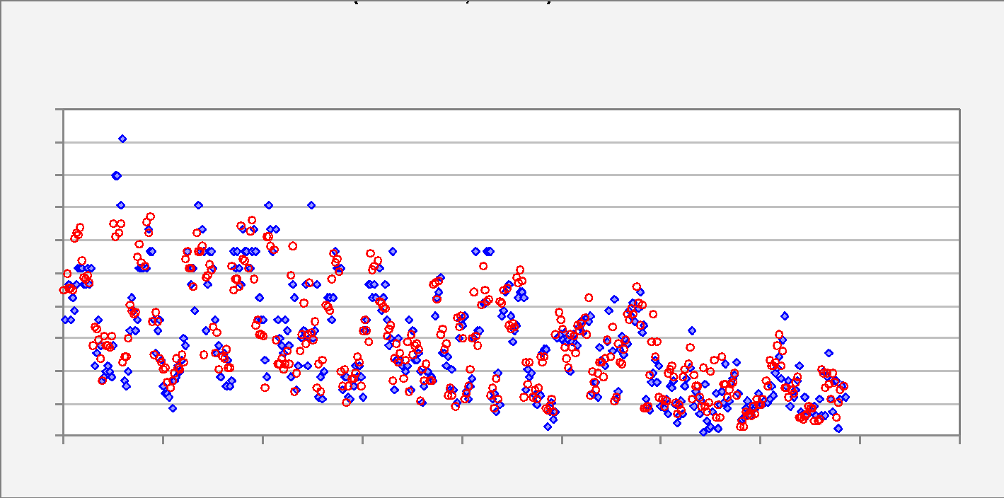

 |  | FALSE

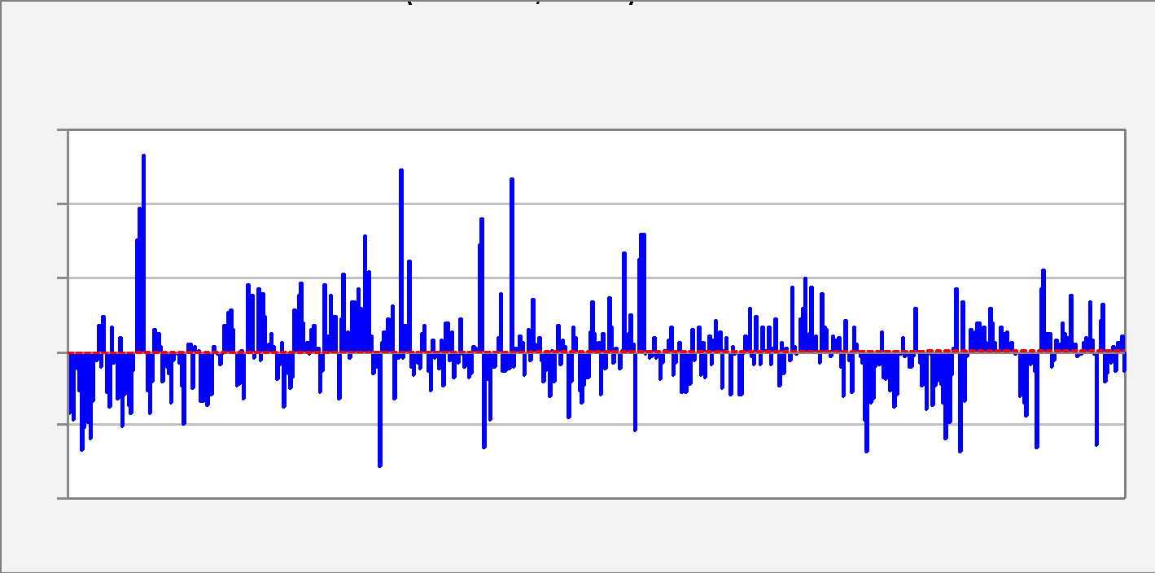

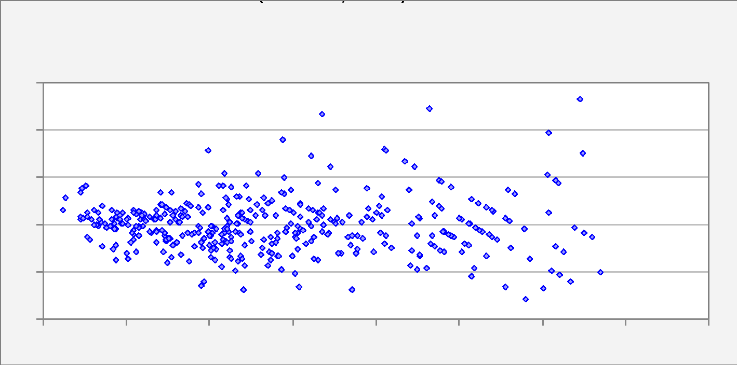

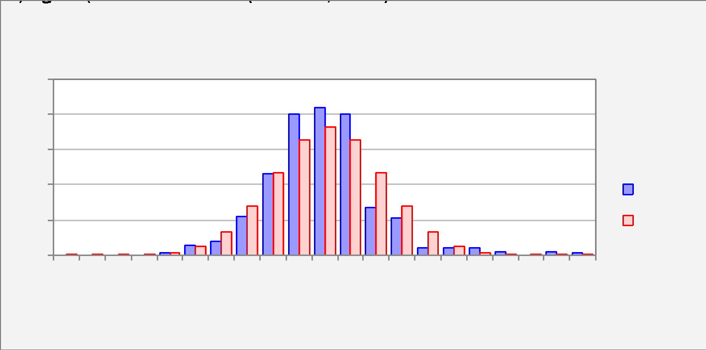

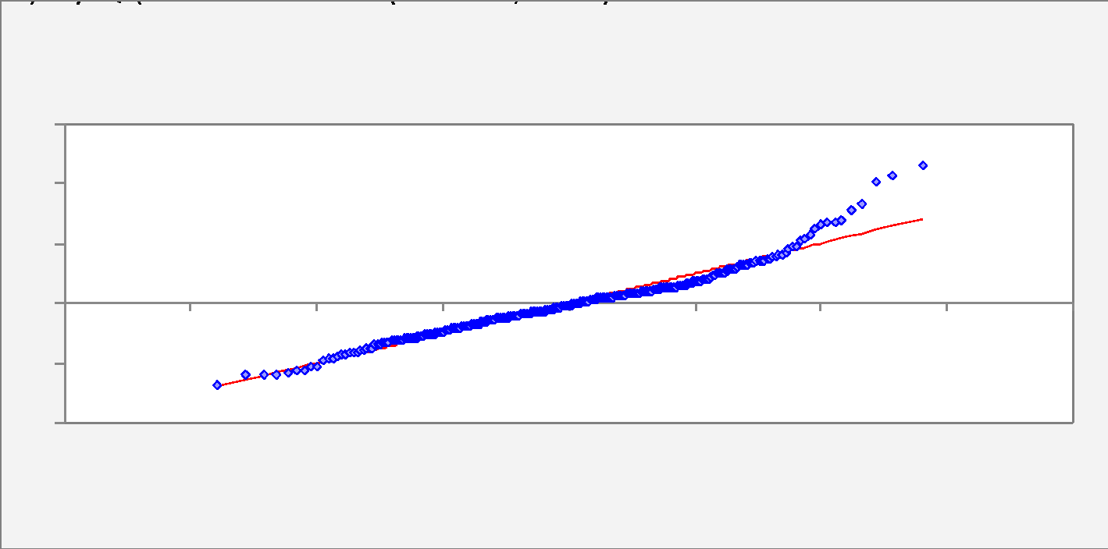

End of Output

Model 5
Here's the same model fitted to data up to 1981 only, with forecasts produced for 1982. The formulas and editable-charts options were used, so the confidence limits for forecasts in the table and chart will respond interactively to use of the Conf+ and Conf- buttons on the menu or to typing of new values in the confidence level cell (I10).
Model: | Model 5 |  |  |  |  |  |  |  |  |  | Color | Font | NoHeaders | With P-value | Editable |  | No Comment | Notes | 12/14/18 2:14 PM on FACDS414 - Model 5 - AutoMPGmodel7.xlsx - RegressItPC - Version 2018.12.07 |  | 12/14/18 2:14 PM on FACDS414 - Model 5 - AutoMPGmodel7.xlsx - RegressItPC - Version 2018.12.07
Dependent Variable: |  | GallonsPer100MilesTo1981 |  |  |  |  |  |  |  |  |  |  |  | Model 5 (#vars=3, n=362, AdjRsq=0.874): GallonsPer100MilesTo1981 << Horsepower100, Weight1000lb, Year | No preceding model in this sequence. | No following model in this sequence. |  |  |  | Forecasts and 95,0% confidence limits for means and forecasts Model 5 for GallonsPer100MilesTo1981 (3 variables, n=362)
Independent Variables: |  |  |  |  |  |  |  |  |  |  |  |  |  |  |  |  |  |  |  | Actual and Predicted -vs- Observation # with 95,0% confidence limits Model 5 for GallonsPer100MilesTo1981 (3 variables, n=362)
Horsepower100, Weight1000lb, Year
Equation:
Predicted GallonsPer100MilesTo1981 = 10.208 + 0.763*Horsepower100 + 1.268*Weight1000lb - 0.132*Year
 |  |  |  |  |  |  |  |  | R code: | Model.5 <- lm(GallonsPer100MilesTo1981 ~ Horsepower100 + Weight1000lb + Year, data = AutoMPG)
 | R-Squared | Adj.R-Sqr. | Std.Err.Reg. | Std.Dep.Var. | # Fitted | # Missing | t(2,50%,358) | Confidence
 | 0.875 | 0.874 | 0.590 | 1.659 | 362 | 30 | 1.967 | 95.0%

Variable | Coefficient | Std.Err. | t-Statistic | P-value | Lower95% | Upper95% | VIF | Std. Coeff.
Constant | 10.208 | 0.794 | 12.856 | 0.000 | 8.647 | 11.770 | 0.000 | 0.000
Horsepower100 | 0.763 | 0.165 | 4.624 | 0.000 | 0.439 | 1.088 | 4.362 | 0.181
Weight1000lb | 1.268 | 0.072 | 17.701 | 0.000 | 1.127 | 1.409 | 3.971 | 0.660
Year | -0.132 | 0.010 | -13.053 | 0.000 | -0.152 | -0.112 | 1.208 | -0.268

 | Mean Error | RMSE | MAE | Minimum | Maximum | MAPE | A-D* stat
Fitted (n=362) | 0.000 | 0.587 | 0.431 | -1.525 | 2.648 | 9.0% | 2.89 (P=0.000)

Obs# | Forecast | StErrFcst | Lower95%F | Upper95%F | StErrMean | Lower95%M | Upper95%M | Horsepower100 | Weight1000lb | Year
363 | 3.384 | 0.594 | 2.216 | 4.552 | 0.070 | 3.247 | 3.521 | 0.88 | 2.605 | 82 |  |  |  |  |  |  |  |  |  |  |  | 1.168
364 | 3.428 | 0.594 | 2.261 | 4.596 | 0.069 | 3.293 | 3.564 | 0.88 | 2.64 | 82 |  |  |  |  |  |  |  |  |  |  |  | 1.168
365 | 3.118 | 0.594 | 1.949 | 4.287 | 0.074 | 2.972 | 3.264 | 0.88 | 2.395 | 82 |  |  |  |  |  |  |  |  |  |  |  | 1.169
366 | 3.323 | 0.594 | 2.155 | 4.491 | 0.069 | 3.188 | 3.459 | 0.85 | 2.575 | 82 |  |  |  |  |  |  |  |  |  |  |  | 1.168
367 | 3.252 | 0.594 | 2.084 | 4.420 | 0.069 | 3.116 | 3.388 | 0.84 | 2.525 | 82 |  |  |  |  |  |  |  |  |  |  |  | 1.168
368 | 3.564 | 0.594 | 2.397 | 4.732 | 0.069 | 3.429 | 3.700 | 0.9 | 2.735 | 82 |  |  |  |  |  |  |  |  |  |  |  | 1.168
369 | 3.744 | 0.594 | 2.577 | 4.912 | 0.069 | 3.609 | 3.879 | 0.92 | 2.865 | 82 |  |  |  |  |  |  |  |  |  |  |  | 1.168
370 | 2.485 | 0.595 | 1.315 | 3.655 | 0.078 | 2.331 | 2.638 | 0.74 | 1.98 | 82 |  |  |  |  |  |  |  |  |  |  |  | 1.170
371 | 2.496 | 0.594 | 1.327 | 3.665 | 0.073 | 2.352 | 2.640 | 0.68 | 2.025 | 82 |  |  |  |  |  |  |  |  |  |  |  | 1.169
372 | 2.426 | 0.595 | 1.257 | 3.595 | 0.075 | 2.279 | 2.574 | 0.68 | 1.97 | 82 |  |  |  |  |  |  |  |  |  |  |  | 1.169
373 | 2.585 | 0.594 | 1.417 | 3.753 | 0.070 | 2.447 | 2.722 | 0.63 | 2.125 | 82 |  |  |  |  |  |  |  |  |  |  |  | 1.168
374 | 2.638 | 0.594 | 1.470 | 3.806 | 0.072 | 2.497 | 2.779 | 0.7 | 2.125 | 82 |  |  |  |  |  |  |  |  |  |  |  | 1.168
375 | 2.820 | 0.596 | 1.649 | 3.991 | 0.082 | 2.658 | 2.982 | 0.88 | 2.16 | 82 |  |  |  |  |  |  |  |  |  |  |  | 1.171
376 | 2.778 | 0.594 | 1.609 | 3.946 | 0.072 | 2.636 | 2.919 | 0.75 | 2.205 | 82 |  |  |  |  |  |  |  |  |  |  |  | 1.168
377 | 2.790 | 0.594 | 1.622 | 3.958 | 0.069 | 2.654 | 2.926 | 0.7 | 2.245 | 82 |  |  |  |  |  |  |  |  |  |  |  | 1.168
378 | 2.412 | 0.594 | 1.243 | 3.581 | 0.075 | 2.265 | 2.559 | 0.67 | 1.965 | 82 |  |  |  |  |  |  |  |  |  |  |  | 1.169
379 | 2.412 | 0.594 | 1.243 | 3.581 | 0.075 | 2.265 | 2.559 | 0.67 | 1.965 | 82 |  |  |  |  |  |  |  |  |  |  |  | 1.169
380 | 2.450 | 0.594 | 1.281 | 3.619 | 0.074 | 2.305 | 2.595 | 0.67 | 1.995 | 82 |  |  |  |  |  |  |  |  |  |  |  | 1.169
381 | 3.983 | 0.595 | 2.814 | 5.153 | 0.076 | 3.833 | 4.133 | 1.1 | 2.945 | 82 |  |  |  |  |  |  |  |  |  |  |  | 1.169
382 | 3.881 | 0.594 | 2.713 | 5.049 | 0.070 | 3.743 | 4.020 | 0.85 | 3.015 | 82 |  |  |  |  |  |  |  |  |  |  |  | 1.168
383 | 3.389 | 0.594 | 2.221 | 4.558 | 0.072 | 3.248 | 3.531 | 0.92 | 2.585 | 82 |  |  |  |  |  |  |  |  |  |  |  | 1.168
384 | 3.859 | 0.595 | 2.688 | 5.030 | 0.080 | 3.701 | 4.017 | 1.12 | 2.835 | 82 |  |  |  |  |  |  |  |  |  |  |  | 1.171
385 | 3.521 | 0.594 | 2.353 | 4.690 | 0.073 | 3.378 | 3.664 | 0.96 | 2.665 | 82 |  |  |  |  |  |  |  |  |  |  |  | 1.169
386 | 3.056 | 0.594 | 1.887 | 4.224 | 0.072 | 2.913 | 3.198 | 0.84 | 2.37 | 82 |  |  |  |  |  |  |  |  |  |  |  | 1.169
387 | 3.837 | 0.594 | 2.669 | 5.005 | 0.069 | 3.702 | 3.972 | 0.9 | 2.95 | 82 |  |  |  |  |  |  |  |  |  |  |  | 1.168
388 | 3.603 | 0.594 | 2.436 | 4.771 | 0.068 | 3.470 | 3.737 | 0.86 | 2.79 | 82 |  |  |  |  |  |  |  |  |  |  |  | 1.168
389 | 2.507 | 0.594 | 1.339 | 3.675 | 0.071 | 2.368 | 2.646 | 0.52 | 2.13 | 82 |  |  |  |  |  |  |  |  |  |  |  | 1.168
390 | 2.960 | 0.594 | 1.791 | 4.129 | 0.075 | 2.814 | 3.107 | 0.84 | 2.295 | 82 |  |  |  |  |  |  |  |  |  |  |  | 1.169
391 | 3.341 | 0.594 | 2.173 | 4.508 | 0.067 | 3.208 | 3.473 | 0.79 | 2.625 | 82 |  |  |  |  |  |  |  |  |  |  |  | 1.167
392 | 3.484 | 0.594 | 2.317 | 4.652 | 0.068 | 3.351 | 3.617 | 0.82 | 2.72 | 82 |  |  |  |  |  |  |  |  |  |  |  | 1.167
#ARVO!
.

#ARVO!

 |  | FALSE

End of Output

Model.5.R
Here's the same model fitted via the interface with R. Error statistics were computed for the out-of-sample forecasts.
Model: | Model.5.R |  |  | Mean: | R Script: | AutoMPG.Model.5.R.12.14.15.27.34.r |  |  | 12/14/2018 3:27:54 PM on FACDS414 | Color | Font | NoHeaders | NoGridlines
Dependent Variable: |  | GallonsPer100Miles |  | 4.9125678003 | Out-of-sample test: fixed with training set Year70To81
Independent Variables: |  |  |  |  | Variable selection: all
Horsepower100,Weight1000lb,Year
Equation:
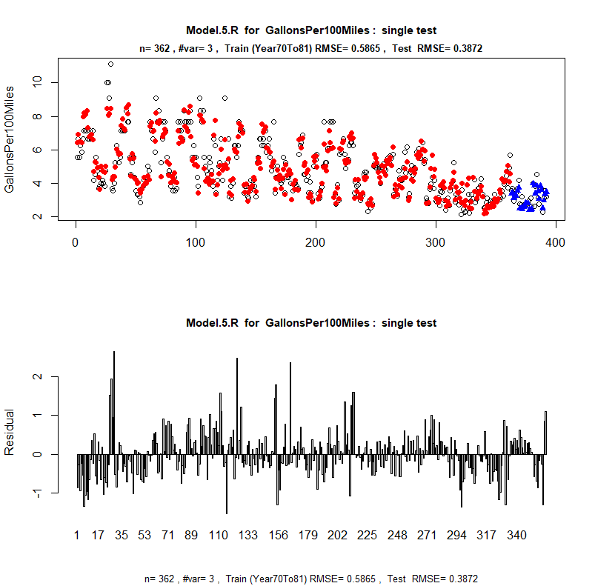
Model.5.R <- lm( GallonsPer100Miles ~ Horsepower100+Weight1000lb+Year ,data = AutoMPG)

 | R-Squared | Adj.R-Sqr | Std.Err.Reg. | Std.Dep.Var | #Fitted | #Missing | Critical t | Confidence
 | 0.875 | 0.874 | 0.590 | 1.659 | 362 | 0 | 1.967 | 95.0%

Variable | Coefficient | Std.Err. | t statistic | P value | Lower95% | Upper95% | VIF | Std.Coeff.
Constant | 10.208 | 0.794 | 12.856 | 0.000 | 8.647 | 11.770 | 0.000 | 0.000
Horsepower100 | 0.763 | 0.165 | 4.624 | 0.000 | 0.439 | 1.088 | 4.362 | 0.181
Weight1000lb | 1.268 | 0.072 | 17.701 | 0.000 | 1.127 | 1.409 | 3.971 | 0.660
Year | -0.132 | 0.010 | -13.053 | 0.000 | -0.152 | -0.112 | 1.208 | -0.268

 | Mean Error | RMSE | MAE | Min | Max | MAPE | A-D* stat
Fitted (n= 362 ) | 0.000 | 0.587 | 0.431 | -1.525 | 2.648 | 0.090 | 2.88 ( 0 )
Tested (n= 30 ) | 0.092 | 0.387 | 0.283 | -1.250 | 0.800

Out-of-sample test: fixed with training set Year70To81
Test RMSE/Train RMSE = 0.66 , Test StdDev/Train StdDev = 0.328

Test Row# | Actual | Predicted | Lower95% | Upper95% | Std.Error.M | Residual | Std.Res. | AbsStdRes
363 | 3.571 | 3.384 | 2.216 | 4.552 | 0.070 | 0.187 | 0.318 | 0.318
364 | 3.704 | 3.428 | 2.261 | 4.596 | 0.069 | 0.275 | 0.467 | 0.467
365 | 2.941 | 3.118 | 1.949 | 4.287 | 0.074 | -0.177 | -0.299 | 0.299
366 | 3.226 | 3.323 | 2.155 | 4.491 | 0.069 | -0.097 | -0.165 | 0.165
367 | 3.448 | 3.252 | 2.084 | 4.420 | 0.069 | 0.196 | 0.333 | 0.333
368 | 3.704 | 3.564 | 2.397 | 4.732 | 0.069 | 0.139 | 0.236 | 0.236
369 | 4.167 | 3.744 | 2.577 | 4.912 | 0.069 | 0.422 | 0.716 | 0.716
370 | 2.778 | 2.485 | 1.315 | 3.655 | 0.078 | 0.293 | 0.497 | 0.497
371 | 2.703 | 2.496 | 1.327 | 3.665 | 0.073 | 0.207 | 0.351 | 0.351
372 | 3.226 | 2.426 | 1.257 | 3.595 | 0.075 | 0.800 | 1.356 | 1.356
373 | 2.632 | 2.585 | 1.417 | 3.753 | 0.070 | 0.047 | 0.080 | 0.080
374 | 2.778 | 2.638 | 1.470 | 3.806 | 0.072 | 0.140 | 0.237 | 0.237
375 | 2.778 | 2.820 | 1.649 | 3.991 | 0.082 | -0.042 | -0.071 | 0.071
376 | 2.778 | 2.778 | 1.609 | 3.946 | 0.072 | 0.000 | 0.000 | 0.000
377 | 2.941 | 2.790 | 1.622 | 3.958 | 0.069 | 0.151 | 0.256 | 0.256
378 | 2.632 | 2.412 | 1.243 | 3.581 | 0.075 | 0.219 | 0.372 | 0.372
379 | 3.125 | 2.412 | 1.243 | 3.581 | 0.075 | 0.713 | 1.209 | 1.209
380 | 2.632 | 2.450 | 1.281 | 3.619 | 0.074 | 0.181 | 0.308 | 0.308
381 | 4.000 | 3.983 | 2.814 | 5.153 | 0.076 | 0.017 | 0.029 | 0.029
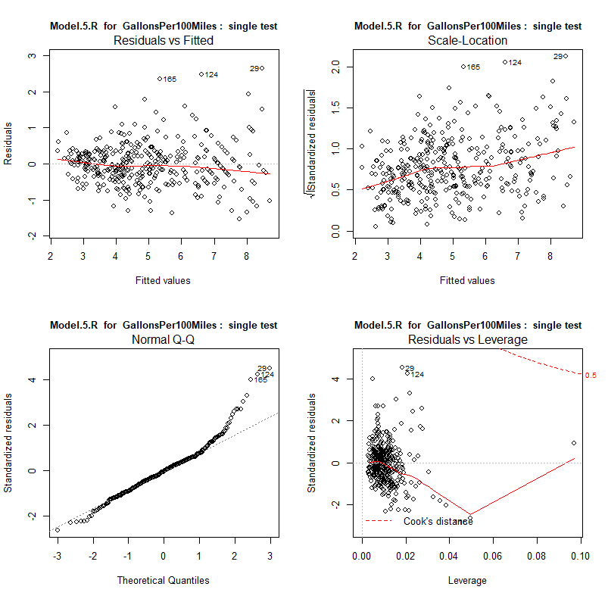
382 | 2.632 | 3.881 | 2.713 | 5.049 | 0.070 | -1.250 | -2.119 | 2.119
383 | 3.846 | 3.389 | 2.221 | 4.558 | 0.072 | 0.457 | 0.775 | 0.775
384 | 4.545 | 3.859 | 2.688 | 5.030 | 0.080 | 0.687 | 1.164 | 1.164
385 | 3.125 | 3.521 | 2.353 | 4.690 | 0.073 | -0.396 | -0.672 | 0.672
386 | 2.778 | 3.056 | 1.887 | 4.224 | 0.072 | -0.278 | -0.471 | 0.471
387 | 3.704 | 3.837 | 2.669 | 5.005 | 0.069 | -0.133 | -0.226 | 0.226
388 | 3.704 | 3.603 | 2.436 | 4.771 | 0.068 | 0.100 | 0.170 | 0.170
389 | 2.273 | 2.507 | 1.339 | 3.675 | 0.071 | -0.234 | -0.397 | 0.397
390 | 3.125 | 2.960 | 1.791 | 4.129 | 0.075 | 0.165 | 0.279 | 0.279
391 | 3.571 | 3.341 | 2.173 | 4.508 | 0.067 | 0.231 | 0.391 | 0.391
392 | 3.226 | 3.484 | 2.317 | 4.652 | 0.068 | -0.258 | -0.438 | 0.438

Model Summaries
The Model Summaries worksheet provides a complete audit trail of all models that have ever been fitted in the workbook, even those whose models sheets were later deleted. You can selectively show or hide the more advanced error stats and the coefficient estimates. If you toggle the notes button to turn on the flags, you can see even more detail. Audit trail information for the model is stored in the comment in the date-time cell, and more details of coefficient estimates (standard errors, t-stats, VIF's, standardized values) are stored in their own respective cells. Details of normal distribution test statistics are shown behind the asterisks.
Summary of Regression Model Results |  |  |  |  | Color | Font
 | Model 1 (#vars=1, n=392, AdjRsq=0.783): GallonsPer100Miles << Weight1000lb | Model 2 (#vars=8, n=392, AdjRsq=0.884): GallonsPer100Miles << Cylinders, Displacement100ci, Horsepower100, Origin.Eq.2, Origin.Eq.3, Seconds0to60, Weight1000lb, Year | Model 3 (#vars=7, n=392, AdjRsq=0.883): GallonsPer100Miles << Cylinders, Horsepower100, Origin.Eq.2, Origin.Eq.3, Seconds0to60, Weight1000lb, Year | Model 4 (#vars=3, n=392, AdjRsq=0.88): GallonsPer100Miles << Horsepower100, Weight1000lb, Year
Linear Model For GallonsPer100Miles | Model 1 | Model 2 | Model 3 | Model 4
Run Time | 12/14/18 | 12/14/18 | 12/14/18 | 12/14/18
# Fitted | 392 | 392 | 392 | 392
Mean | 4.782 | 4.782 | 4.782 | 4.782
Standard Deviation | 1.664 | 1.664 | 1.664 | 1.664
Number Of Variables | 1 | 8 | 7 | 3
Standard Error of Regression | 0.776 | 0.566 | 0.569 | 0.576
R-squared | 0.783 | 0.887 | 0.885 | 0.881
Adjusted R-squared | 0.783 | 0.884 | 0.883 | 0.880
Mean Absolute Error | 0.579 | 0.417 | 0.412 | 0.419
Mean Absolute Percentage Error | 13.1% | 9.0% | 8.9% | 9.0%
Maximum VIF |  | 22.938 | 9.261 | 4.386
Normality Test | * * * | * * * | * * * | * * *

Coefficients: | Model 1 | Model 2 | Model 3 | Model 4
Constant | -0.380 (0.008) | 9.392 (0.000) | 9.481 (0.000) | 9.972 (0.000)
Cylinders |  | 0.150 (0.007) | 0.063 (0.139)
Displacement100ci |  | -0.323 (0.014)
Horsepower100 |  | 1.275 (0.000) | 1.105 (0.000) | 0.810 (0.000)
Origin.Eq.2 |  | -0.296 (0.002) | -0.214 (0.020)
Origin.Eq.3 |  | -0.203 (0.033) | -0.130 (0.151)
Seconds0to60 |  | 0.034 (0.041) | 0.039 (0.023)
Weight1000lb | 1.734 (0.000) | 1.125 (0.000) | 1.013 (0.000) | 1.245 (0.000)
Year |  | -0.131 (0.000) | -0.128 (0.000) | -0.128 (0.000)

 | Model 5 (#vars=3, n=362, AdjRsq=0.874): GallonsPer100MilesTo1981 << Horsepower100, Weight1000lb, Year
Linear Model For GallonsPer100MilesTo1981 | Model 5
Run Time | 12/14/18
# Fitted | 362
Mean | 4.913
Standard Deviation | 1.659
Number Of Variables | 3
Standard Error of Regression | 0.590
R-squared | 0.875
Adjusted R-squared | 0.874
Mean Absolute Error | 0.431
Mean Absolute Percentage Error | 9.0%
Maximum VIF | 4.362
Normality Test | * * *

Coefficients: | Model 5
Constant | 10.208 (0.000)
Horsepower100 | 0.763 (0.000)
Weight1000lb | 1.268 (0.000)
Year | -0.132 (0.000)

R Linear Model For GallonsPer100Miles | Model.5.R
Run Time | 12/14/18
# Fitted | 362
Mean | 4.913
Standard Deviation | 1.659
#Variables | 3
Standard Error of Regression | 0.590
R-squared | 0.875
Adjusted R-squared | 0.874
Mean Absolute Error | 0.431
Mean Absolute Percentage Error | 9.0%
Maximum VIF | 4.362
Normality Test | * * *
Mean Absolute Scaled Error
Residual Autocorrelation
Train/Test Conditions | Year70To81/*
# Tested | 30
Test Mean Error | 0.092
Test RMSE | 0.387

Coefficients: | Model.5.R
Constant | 10.208 (0.000)
Horsepower100 | 0.763 (0.000)
Weight1000lb | 1.268 (0.000)
Year | -0.132 (0.000)

